1. Title Page
INSTACART GROCERY BASKET ANALYSIS

Project Name: Instacart Grocery Basket Analysis
Date: 28th of September, 2021
Analyst Name: Sandra Wienecke

Contents:
Population Flow
Consistency checks
Wrangling steps
Column derivations
Visualizations
Recommendations

2. Population Flow
Title page

Population flow

Exclusion flag
Condition: max_order < 5
Obervations to be removed: surname
Final total count of order_products_all: 30079537

Orders_products_combined
Orders_products_merged
Orders_products_all

Total: 32404859
Total: 32640698
Total: 30563157

1.) The grey boxes in the first row of the population flow represent the original data sets as they were when you downloaded them. In the Total fields you need to add the count of the rows when you imported the data set into Jupyter.
2.) The second row of boxes (coloured) represents the data sets after you manipulated them, e.g., removed missing values and duplicates. In the Total fields you need to add the count of the rows after conducting these operations. This offers a visual oveview of how the data flows throughout the data consistency checks.
3.) The third row, where also the arrows are coloured, represents the merges you performed between the datasets. In the Total fields you need to add the count of the rows in the merged datasets, so that you end up with the final dataset (in the red box). Keep in mind the final dataset should be without exclusions (based on the exclusion flag).

3. Consistency checks
 |  |  |  | Title page
Consistency checks

Dataset | Missing values | Missing values treatment | Duplicates
orders | days_since_prior_order (206209) | removed from dataset | none
products | product_names(16) | removed from dataset | 5, removed from dataset
orders_products_prior | none |  | none
customers | First names | removed from dataset | none

4. Wrangling steps
 |  |  |  | Title page
Wrangling steps

ORDERS ORIGINAL
Columns dropped | Columns renamed | Columns' type changed | Comment/Reason
eval_set
 |  | order_id | changed to string, befor numerical type
 | order_dow : orders_day_of_week
 | 'order_hour_of_day' : 'order_time'

PRODUCTS
Columns dropped | Columns renamed | Columns' type changed | Comment/Reason
 |  | product_name | it has mixed types, changed to string

ORDERS PRODUCTS MERGE
Columns dropped | Columns renamed | Columns' type changed | Comment/Reason
 |  | user_id | changed to int32

CUSTOMERS DATAFRAME
Columns dropped | Columns renamed | Columns' type changed | Comment/Reason
First_name
 | 'fam_status' : 'Family status'
 | fam_status' : 'Family status
 | 'n_dependants' : 'Family Members'
 | fam_status': 'Family_status'
 | 'income' : 'Income'
 |  | user_id | changed to int32

FINAL DATAFRAME
Columns dropped | Columns renamed | Columns' type changed | Comment/Reason
Last_name

5. Column derivations
 |  |  |  | Title page

Column derivations and aggregations

In this tab you should add tables below that the frequences of flags/label variables that you produced after deriving them. NB: don't do this for continuous variables, only for flags.
Dataset | New column | Column/s it was derived from | Conditions
df_orders_products_merged_clean | price_range_loc | prices | Low-range product <= price of 5 Mid-range product > 5 & <= 15 High range > 15
df_orders_products_merged_clean | Busiest days | order days of week | Busiest days: orders_day_of_week <= 1 Slowest days : orders_day_of_week >= 3 and orders_day_of_week <=4 all others: Regularly busy
df_orders_products_merged_clean | busiest_period_of_day | order_time | Most orders: order_time >= 8 and order_time <=19 Fewest orders: order_time >= 2 and order_time <=5 all others: Average orders
ords_prods_merge2_clean | loyalty_flag | max_order | Loyal customer: max_order > 40 Regular customer: max_order<= 40 and max_order > 10 New customer: max_order <= 10
ords_prods_merge2_clean | price_flag | mean_price | Low spender: mean_price < 10 High spender: mean_price >= 10
ords_prods_merge2_clean | order_frequency_flag | median_order_frequency | Non-frequent customer: median_order_frequency > 20 Regular customer: median_order_frequency<= 20 and median_order_frequency> 10 Frequent customer: median_order_frequency <= 10
ords_prods_cust_clean | Regions | STATE | Northeast: if STATE == 'Pennsylvania' or STATE == 'Maine'or STATE == 'New Hampshire' or STATE =='Vermont' or STATE == 'Massachusetts' or STATE == 'Rhode Island' or STATE == 'Connecticut' or STATE == 'New York' or STATE == 'Pennsylvania' or STATE == 'New Jersey' Midwest: elif STATE == 'Wisconsin' or STATE == 'Michigan' or STATE == 'Illinois' or STATE == 'Indiana' or STATE == 'Ohio' or STATE == 'North Dakota' or STATE == 'South Dakota' or STATE == 'Nebraska' or STATE == 'Kansas' or STATE == 'Minnesota' or STATE == 'Iowa' or STATE == 'Missouri' West: elif STATE == 'Idaho' or STATE == 'Montana' or STATE == 'Wyoming' or STATE == 'Nevada' or STATE == 'Utah' or STATE == 'Colorado' or STATE == 'Arizona' or STATE == 'New Mexico' or STATE == 'Alaska' or STATE == 'Washington' or STATE == 'Oregon' or STATE == 'California' or STATE == 'Hawaii' South: all others
ords_prods_cust_clean | Age_Groups | age | 20 or less: age < 20: 20-30: age >=20 and age < 30 30-40: age >= 30 and age < 40 40-50: age >= 40 and age < 50 50-60: age >= 50 and age < 60 60-70: age >= 60 and age < 70 over 70: all others
ords_prods_cust_clean | Income_flag | Income | Lower Income: Income = 100000 Average Income: Income > 100000 and Income <= 300000 Higher Income: Income > 200000
ords_prods_cust_clean | Parental Status | Family Members | Parent: Family Members > 0 Not Parent: Family Members <= 0

6. Visualizations
 |  |  |  |  |  |  |  |  | Title page

Visualisations

In this tab you should include all the visualtions from Exercises 4.9 and 4.10, alongside the questions from the project brief that they answer. Include any commentary on the relationship between different variables.

KEY QUESTIONS FROM THE SALES TEAM

1. The team needs to know what the busiest days of the week and hours of the day are (i.e., the days and times with the most orders) in order to schedule ads at times when there are fewer orders.

 |  |  |  |  | The hours with the most orders are from about 10 to 16. So there are placed in the middle of the day.

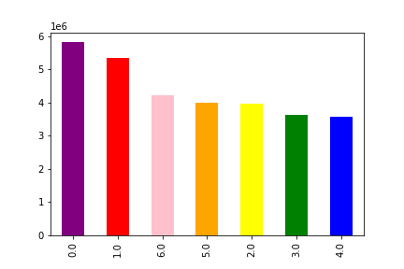

 |  |  |  |  | Saturday and Sunday with 0 and 1 are the days when most orders are placed.

2. Whether there are particular times of the day when people spend the most money, as this might inform the type of products they advertise at these times.

 | 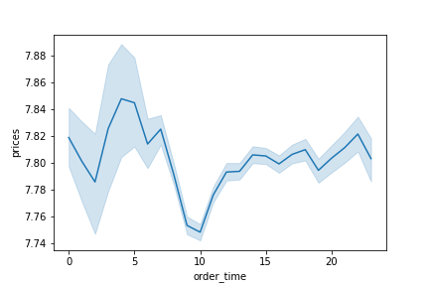 |  |  |  | In the graph we see the order time in relation to the price. The expensive products tend to be bought at the beginning and end of the day.

3. Instacart has a lot of products with different price tags. Marketing and sales want to use simpler price range groupings to help direct their efforts.

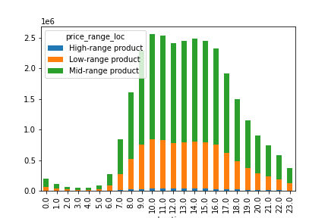 |  |  |  |  | We see a bar chart with number of orders during the day by the different price ranges. There is no major difference in the share of orders by price range.

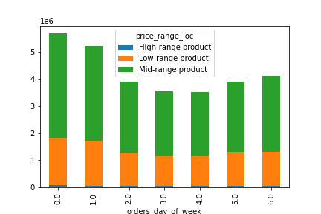 |  |  |  |  | In this graph you can see the number of orders during the week by price range.There is no significant difference in the share of orders by price range.

4. Are there certain types of products that are more popular than others? The marketing and sales teams want to know which departments have the highest frequency of product orders.

 | 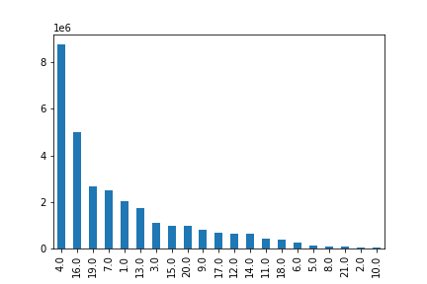 |  |  |  | The bar chart shows product sales by department. The department names correspond to the figures on the right. Fruit and vegetables (produce), dairy eggs and snacks are the top 3 departments, followed by beverages, frozen food and pantry.

Customer Insights: How do ordering behaviors differ among customers in different demographics?

 |  | The bar chart shows the orders day of week for the different regions. You can see that the regions are all buying in roughly similar proportions on that day. |  | 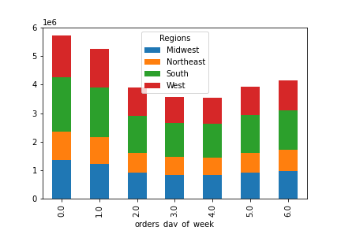

 | 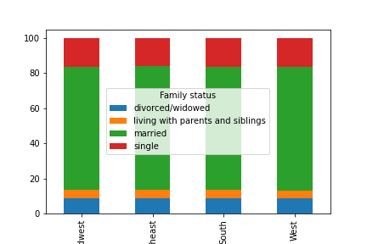 |  |  |  |  | The bar chart shows the family status across the regions. In all regions, the family status is approximately the same.

 |  | We see the ordering times classified by region. Most orders are placed between 10 am and 4 pm. There is hardly any difference between the regions. |  |  | 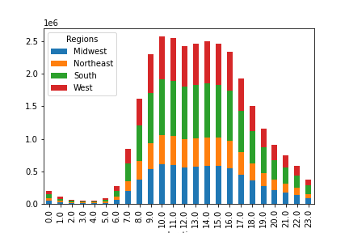

 | 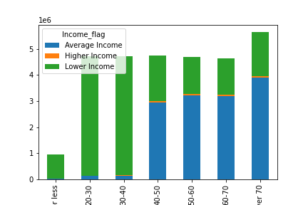 |  |  |  |  |  |  | From the age group 40-50 years, the share of Average Income increases significantly. In all age groups there are only very few with Higher Income.

 |  |  | The bar chart demonstrates the distribution of parental status across age groups. In all age groups there are more parents than non-parents. |  |  | 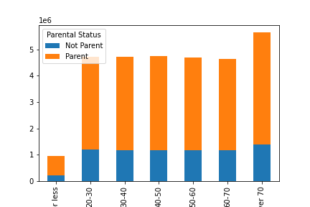

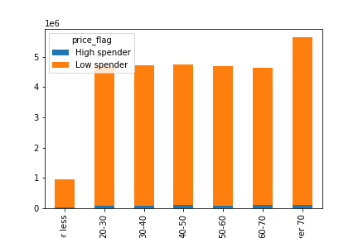

 |  |  |  |  |  |  |  | In all age groups, the proportion of low spender is significantly higher than the proportion of high spenders.

 |  | The bar chart demonstrates the distribution of order/customer frequency for age groups.The three order frequency flags are roughly similarly represented in all age groups. |  |  |  | 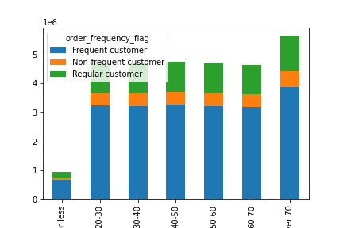

 | 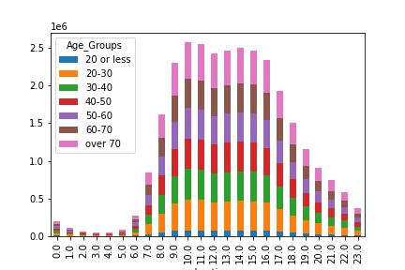 |  |  |  |  |  | The bar chart shows the distribution of the age groups after the order time. There are no major distinctions between the different times by age group. The age groups seem to be similarly distributed.

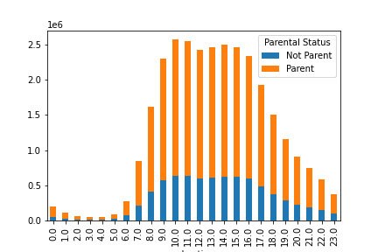

 |  |  | This graph shows the distribution between parents and non-parents per Order Time. In each hour, the proportion of parents among the buyers predominates.

7. Recommendations
 |  |  |  |  |  |  | Title page
Recommendations

In this tab you should include any recommendations you would made to Instcart in terms of their marketing strategy based on the questions posed in the brief. Every key question has been covered in the Tasks of the Exercises - here you need to add an item - a visualisation or table/crosstable that is showing the answer in the data, acompanied by a comment from you. Please, list the questions below and add the answer underneath.

KEY QUESTIONS FROM THE SALES TEAM

1. The team needs to know what the busiest days of the week and hours of the day are (i.e., the days and times with the most orders) in order to schedule ads at times when there are fewer orders.

 |  |  | The hours with the most orders are from about 10 to 16. So there are placed in the middle of the day. |  |  | It is important that everything works well during peak times and that customers are satisfied. Off-peak times are therefore an important time to replenish our products in the warehouses and to plan orders with the manufacturers.

 |  |  |  |  |  | Similar to the times, the same applies to the days. Everything has to be right on the most important days. On the days with weaker turnover/orders, we can use the time to fill the warehouse, optimise processes, etc. In order to give customers an additional incentive to buy in the middle of the week, for example, we would have to work with (discount) promotions.

 |  |  | Saturday and Sunday with 0 and 1 are the days when most orders are placed.

2. Whether there are particular times of the day when people spend the most money, as this might inform the type of products they advertise at these times.

 |  |  | In the graph we see the order time in relation to the price. The expensive products tend to be bought at the beginning and end of the day. |  |  | It is interesting to understand exactly which products are bought at the beginning of the day. This way, they could better position themselves with the products to increase sales.

3. Instacart has a lot of products with different price tags. Marketing and sales want to use simpler price range groupings to help direct their efforts.

 |  |  | We see a bar chart with number of orders during the day by the different price ranges. There is no major difference in the share of orders by price range. |  |  | While we generally do not sell many high-end products, a large to very large share includes low- and mid-range products. In peak times, these products should be available.

 |  |  | In this graph you can see the number of orders during the week by price range.There is no significant difference in the share of orders by price range. |  |  | Similar to the times, the same applies to the days. Here, too, the distribution of products during the day hardly differs.

4. Are there certain types of products that are more popular than others? The marketing and sales teams want to know which departments have the highest frequency of product orders.

 |  |  | The bar chart shows product sales by department. The department names correspond to the figures on the right. Fruit and vegetables (produce), dairy eggs and snacks are the top 3 departments, followed by beverages, frozen food and pantry. |  |  | Our top product departments are in focus and should always be in stock. In addition, marketing and distribution can attract sales in lower-turnover departments, through sales combinations such as a sale of combined products like drinks and alcohol for parties.

Customer Insights: How do ordering behaviors differ among customers in different demographics?

 | The bar chart shows the orders day of week for the different regions. You can see that the regions are all buying in roughly similar proportions on that day.

 | All regions show similar shopping behaviour. One should therefore make similar advertising campaigns in the regions. And in addition, the warehouses should also be filled similarly.

 |  |  |  | The bar chart shows the family status across the regions. In all regions, the family status is approximately the same.
 |  |  |  | The fact that shopping behaviour is similar in the regions may be due, for example, to the fact that demographics differ only slightly. This is an important point to consider in future planning.

 | We see the ordering times classified by region. Most orders are placed between 10 am and 4 pm. There is hardly any difference between the regions.
 | Similar to the days, the regions hardly differ in the times. Which in turn suggests that no particular differences should be made between the regions.

 |  |  |  |  |  | From the age group 40-50 years, the share of average income increases significantly. In all age groups there are only very few with Higher Income.

 |  |  |  |  |  | We know that our younger customers have a lower income and the older the customers get, the share of the average income increases. This helps us to better tailor the advertising to our different client groups. For example, it makes more sense to promote higher priced items to older customers than to younger ones.

 |  | The bar chart demonstrates the distribution of parental status across age groups. In all age groups there are more parents than non-parents.
 |  | The proportion of parents is higher than the proportion of non-parents in all age groups. Therefore, it can make sense to include parent-specific or children's products in the assortment.

 |  |  |  |  |  | In all age groups, the proportion of low spender is significantly higher than the proportion of high spenders.

 |  |  |  |  |  | Presumably based on the income of the clients, the majority is low spenders. Therefore, the product range and the advertising to the customers should continue to be oriented towards this.

 | The bar chart demonstrates the distribution of order/customer frequency for age groups.The three order frequency flags are roughly similarly represented in all age groups.
 | The order frequency is already good in all age groups, but one should not rest on one's laurels, but create further incentives to increase the order frequency or to keep it constant.

 |  |  |  |  | The bar chart shows the distribution of the age groups after the order time. There are no major distinctions between the different times by age group. The age groups seem to be similarly distributed.

 |  |  |  |  | It does not make sense to adjust differently to the age groups at the time of purchase on the basis of the time of day, as these hardly change in the course of the day. Each age group should be able to get their respective product during peak hours to increase satisfaction.

 |  | This graph shows the distribution between parents and non-parents per Order Time. In each hour, the proportion of parents among the buyers predominates.

 |  | During peak hours, important parent products or children's products should be available so that there are no bottlenecks.

